Map
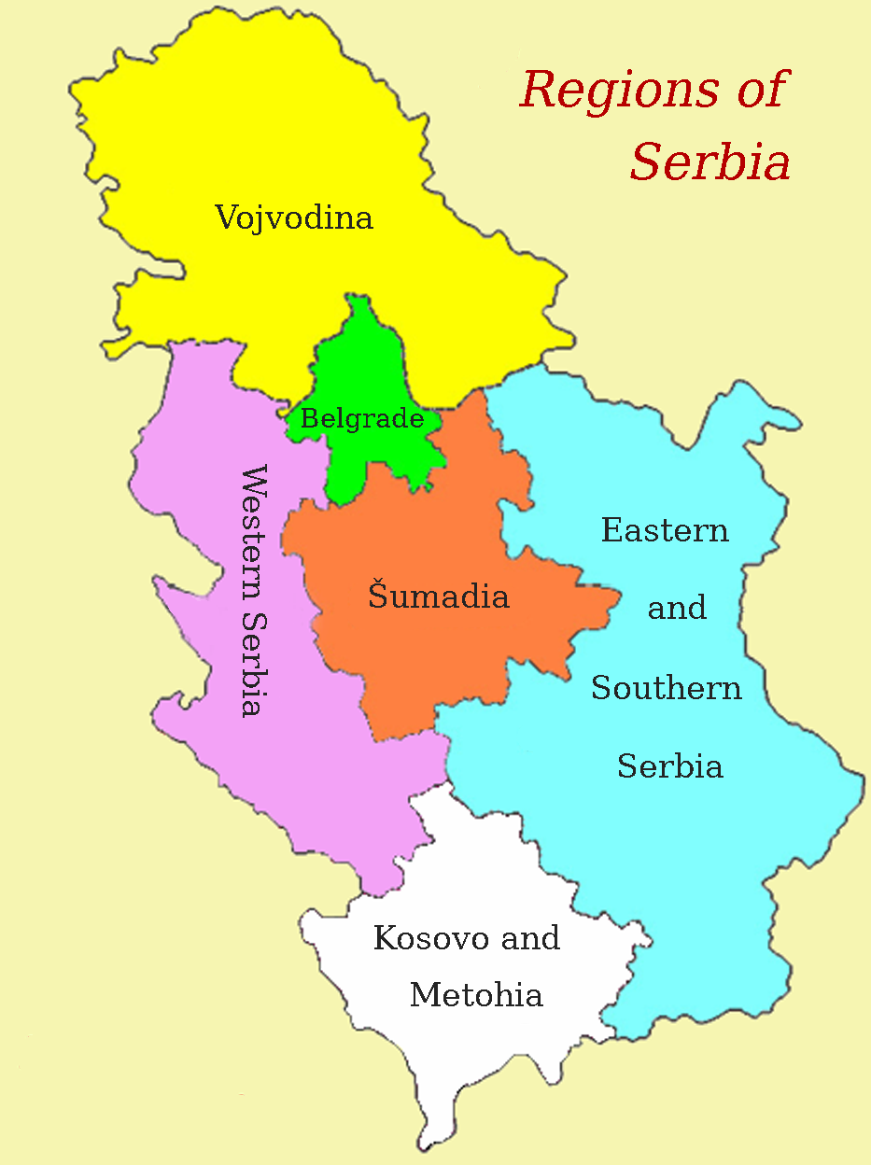

Holt-Winters-dcb
Date | Demand | Level | Trend | Seasonal Index | Forecast | Error |  | Excel Forecast | Parameter | Parameter Value
01/01/2011 | 820 |  |  | 1.0162139833 |  |  |  |  | alfa | 0.96175448954
01/02/2011 | 828 |  |  | 1.026128266 |  |  |  |  | beta | 0.10544121108
01/03/2011 | 911 |  |  | 1.1289889497 |  |  |  |  | gamma | 1
01/04/2011 | 877 |  |  | 1.086853248
01/05/2011 | 758 |  |  | 0.93937829185
01/06/2011 | 760 |  |  | 0.94185686254 |  |  |  |  | RMSE | 28.408585821
01/07/2011 | 695 |  |  | 0.86130331509 |  |  |  |  |  | 2.00%
Holt-Winters vs Excel Forecast
 | Demand | Forecast | Excel Forecast
01/01/2011 | 820
01/02/2011 | 828
01/03/2011 | 911
01/04/2011 | 877
01/05/2011 | 758
01/06/2011 | 760
01/07/2011 | 695
01/08/2011 | 631
01/09/2011 | 686
01/10/2011 | 774
01/11/2011 | 946
01/12/2011 | 997
01/01/2012 | 682
01/02/2012 | 717 | 588.24563946
01/03/2012 | 828 | 704.8145966
01/04/2012 | 910 | 812.68996896
01/05/2012 | 918 | 855.16302031
01/06/2012 | 819 | 761.83740582
01/07/2012 | 883 | 841.15113522
01/08/2012 | 801 | 771.83098806
01/09/2012 | 813 | 781.190779
01/10/2012 | 757 | 712.12616795
01/11/2012 | 820 | 756.15717314
01/12/2012 | 900 | 837.19547594
01/01/2013 | 784 | 741.61560217
01/02/2013 | 745 | 704.86447066
01/03/2013 | 609 | 553.93287434
01/04/2013 | 636 | 583.23441623
01/05/2013 | 900 | 882.8282414
01/06/2013 | 938 | 939.93984493
01/07/2013 | 801 | 800.75628704
01/08/2013 | 842 | 847.01685609
01/09/2013 | 957 | 969.85256026
01/10/2013 | 999 | 1009.4296332
01/11/2013 | 1002 | 995.64100499
01/12/2013 | 1030 | 1011.9839069
01/01/2014 | 819 | 802.49116954
01/02/2014 | 817 | 799.9700264
01/03/2014 | 976 | 964.23819947
01/04/2014 | 908 | 898.06803735
01/05/2014 | 942 | 942.06750892
01/06/2014 | 900 | 904.64461411
01/07/2014 | 999 | 1013.1569514
01/08/2014 | 1008 | 1032.1723261
01/09/2014 | 1017 | 1040.4961839
01/10/2014 | 1026 | 1039.4771222
01/11/2014 | 1058 | 1054.7972352
01/12/2014 | 951 | 927.77714888
01/01/2015 | 816 | 794.62469382
01/02/2015 | 998 | 990.47595467
...
01/08/2011 | 631 |  |  | 0.78198905298
01/09/2011 | 686 |  |  | 0.85014974698
01/10/2011 | 774 |  |  | 0.95920685738
01/11/2011 | 946 |  |  | 1.1723639368
01/12/2011 | 997 |  |  | 1.2355674894
01/01/2012 | 682 | 671.11849593 | -135.79817073 | 1.0162139833
01/02/2012 | 717 | 692.49286981 | -119.22570728 | 1.0353897221 | 588.24563946 | 128.75436054 | 17.96%
01/03/2012 | 828 | 727.27521561 | -102.98691165 | 1.1384961047 | 704.8145966 | 123.1854034 | 14.88%
01/04/2012 | 910 | 829.13359252 | -81.387776339 | 1.097531216 | 812.68996896 | 97.31003104 | 10.69%
01/05/2012 | 918 | 968.46488251 | -58.114890678 | 0.94789188187 | 855.16302031 | 62.83697969 | 6.84%
01/06/2012 | 819 | 871.11895841 | -62.251458353 | 0.94017010202 | 761.83740582 | 57.162594181 | 6.98%
01/07/2012 | 883 | 1016.917143 | -40.314452041 | 0.86831066435 | 841.15113522 | 41.848864781 | 4.74%
01/08/2012 | 801 | 1022.4863851 | -35.47641976 | 0.78338451415 | 771.83098806 | 29.169011935 | 3.64%
01/09/2012 | 813 | 957.47655116 | -38.590458716 | 0.84910695621 | 781.190779 | 31.809221004 | 3.91%
01/10/2012 | 757 | 794.15384289 | -51.74237817 | 0.95321581175 | 712.12616795 | 44.873832046 | 5.93%
01/11/2012 | 820 | 701.08491603 | -56.099899514 | 1.1696158072 | 756.15717314 | 63.842826863 | 7.79%
01/12/2012 | 900 | 725.21959079 | -47.639868832 | 1.2410034304 | 837.19547594 | 62.804524061 | 6.98%
01/01/2013 | 784 | 767.89936997 | -38.116455762 | 1.0209671093 | 741.61560217 | 42.384397833 | 5.41%
01/02/2013 | 745 | 719.92773215 | -39.155598093 | 1.0348260898 | 704.86447066 | 40.135529337 | 5.39%
01/03/2013 | 609 | 540.49452618 | -53.946638955 | 1.126745916 | 553.93287434 | 55.067125656 | 9.04%
01/04/2013 | 636 | 575.92805187 | -44.522286148 | 1.1043046053 | 583.23441623 | 52.765583771 | 8.30%
01/05/2013 | 900 | 933.48608939 | -2.1264498703 | 0.96412791816 | 882.8282414 | 17.171758599 | 1.91%
01/06/2013 | 938 | 995.15489124 | 4.6001987322 | 0.94256683884 | 939.93984493 | -1.9398449344 | 0.21%
01/07/2013 | 801 | 925.43628737 | -3.2360658199 | 0.86553770468 | 800.75628704 | 0.24371295792 | 0.03%
01/08/2013 | 842 | 1068.98624 | 12.241229738 | 0.78766214986 | 847.01685609 | -5.0168560909 | 0.60%
01/09/2013 | 957 | 1125.3133569 | 16.889699071 | 0.85042978838 | 969.85256026 | -12.852560256 | 1.34%
01/10/2013 | 999 | 1051.6329405 | 7.3398764007 | 0.94995122496 | 1009.4296332 | -10.429633238 | 1.04%
01/11/2013 | 1002 | 864.42791774 | -13.173173371 | 1.159148125 | 995.64100499 | 6.3589950081 | 0.63%
01/12/2013 | 1030 | 830.78744253 | -15.331270465 | 1.2397876367 | 1011.9839069 | 18.016093093 | 1.75%
01/01/2014 | 819 | 802.68832318 | -16.677527913 | 1.0203213082 | 802.49116954 | 16.508830464 | 2.02%
01/02/2014 | 817 | 789.3710166 | -16.323222107 | 1.0350012641 | 799.9700264 | 17.029973598 | 2.08%
01/03/2014 | 976 | 862.64817603 | -6.8756493642 | 1.1313998303 | 964.23819947 | 11.761800533 | 1.21%
01/04/2014 | 908 | 823.51949124 | -10.276448481 | 1.1025847107 | 898.06803735 | 9.9319626545 | 1.09%
01/05/2014 | 942 | 970.78393977 | 6.3348544945 | 0.97034979814 | 942.06750892 | -0.067508915726 | 0.01%
01/06/2014 | 900 | 955.69153286 | 4.0755381019 | 0.94172645572 | 904.64461411 | -4.6446141065 | 0.52%
01/07/2014 | 999 | 1146.7597924 | 23.792277109 | 0.87115018041 | 1013.1569514 | -14.156951419 | 1.42%
01/08/2014 | 1008 | 1275.5606822 | 34.864512413 | 0.79024072632 | 1032.1723261 | -24.172326057 | 2.40%
01/09/2014 | 1017 | 1200.2472965 | 23.247221396 | 0.84732538284 | 1040.4961839 | -23.496183933 | 2.31%
01/10/2014 | 1026 | 1085.5413526 | 8.7012725809 | 0.94515054402 | 1039.4771222 | -13.477122238 | 1.31%
01/11/2014 | 1058 | 919.68094736 | -9.7047221403 | 1.1503989542 | 1054.7972352 | 3.202764786 | 0.30%
01/12/2014 | 951 | 772.53249419 | -24.196955595 | 1.2310161801 | 927.77714888 | 23.222851117 | 2.44%
01/01/2015 | 816 | 797.7817743 | -18.98328462 | 1.0228361017 | 794.62469382 | 21.375306176 | 2.62%
01/02/2015 | 998 | 957.15734124 | -0.17691130446 | 1.0426707888 | 990.47595467 | 7.5240453256 | 0.75%
01/03/2015 | 990 | 878.15676102 | -8.4881744166 | 1.1273613596 | 983.94289133 | 6.0571086746 | 0.61%
01/04/2015 | 1026 | 928.21265987 | -2.3152164294 | 1.105350147 | 1020.8803648 | 5.1196351875 | 0.50%
01/05/2015 | 1053 | 1079.0840005 | 13.836959669 | 0.97582764594 | 1060.5156331 | -7.5156331044 | 0.71%
01/06/2015 | 883 | 943.57839727 | -1.90990103 | 0.93579929612 | 886.79413542 | -3.7941354244 | 0.43%
01/07/2015 | 1024 | 1166.5161057 | 21.798303214 | 0.87782757138 | 1035.2003117 | -11.200311667 | 1.09%
01/08/2015 | 882 | 1118.8768774 | 14.4767258 | 0.78829048828 | 895.62217455 | -13.622174552 | 1.54%
01/09/2015 | 831 | 986.57009295 | -1.0003052844 | 0.8423121742 | 835.09829765 | -4.0982976533 | 0.49%
01/10/2015 | 1167 | 1225.1949086 | 24.266057671 | 0.9525015096 | 1180.928712 | -13.928711995 | 1.19%
01/11/2015 | 1202 | 1052.6801767 | 3.5172528969 | 1.1418472834 | 1215.0484183 | -13.048418335 | 1.09%
01/12/2015 | 816 | 677.9101213 | -36.36981902 | 1.2036993908 | 789.74649229 | 26.253507714 | 3.22%
01/01/2016 | 825 | 800.26877845 | -19.63329626 | 1.0309036441 | 798.46215342 | 26.537846577 | 3.22%
01/02/2016 | 877 | 838.79635822 | -13.500743054 | 1.0455457888 | 860.51163006 | 16.488369941 | 1.88%
01/03/2016 | 886 | 787.41242762 | -17.495192229 | 1.1252044912 | 867.97494123 | 18.025058768 | 2.03%
01/04/2016 | 1114 | 998.72652083 | 6.6307359336 | 1.1154204647 | 1111.2717915 | 2.7282084926 | 0.24%
01/05/2016 | 894 | 919.55734411 | -2.416110767 | 0.97220690556 | 894.97177073 | -0.9717707277 | 0.11%
01/06/2016 | 1273 | 1343.3842778 | 42.527472056 | 0.94760674292 | 1296.93524 | -23.935240022 | 1.88%
01/07/2016 | 1045 | 1197.914762 | 22.704841976 | 0.8723492131 | 1071.4935425 | -26.49354254 | 2.54%
01/08/2016 | 826 | 1054.4452316 | 5.183214906 | 0.78335031087 | 835.29502552 | -9.2950255247 | 1.13%
01/09/2016 | 844 | 1004.2076848 | -0.66041733312 | 0.84046359413 | 845.30008076 | -1.3000807571 | 0.15%
01/10/2016 | 850 | 896.63841686 | -11.933016013 | 0.94798525695 | 842.68322986 | 7.3167701356 | 0.86%
01/11/2016 | 900 | 791.88750496 | -21.719847365 | 1.1365250675 | 879.41384759 | 20.58615241 | 2.29%
01/12/2016 | 894 | 743.76047209 | -24.504252986 | 1.2019998824 | 865.76827274 | 28.231727258 | 3.16%
01/01/2017 | 866 | 835.42028535 | -12.255773157 | 1.0366039887 | 848.60329535 | 17.396704646 | 2.01%
01/02/2017 | 901 | 860.27512137 | -8.3427855821 | 1.0473393658 | 890.73426603 | 10.265733969 | 1.14%
01/03/2017 | 954 | 848.00217539 | -8.757186454 | 1.124997114 | 944.32223079 | 9.6777692123 | 1.01%
01/04/2017 | 825 | 743.44117263 | -18.858856871 | 1.1097044802 | 808.21394338 | 16.786056623 | 2.03%
01/05/2017 | 837 | 855.7132445 | -5.0322529358 | 0.9781314072 | 827.03793442 | 9.9620655767 | 1.19%
01/06/2017 | 853 | 898.26999891 | -0.014410366794 | 0.94960312716 | 851.19305257 | 1.8069474301 | 0.21%
01/07/2017 | 810 | 927.36947735 | 3.0553933278 | 0.87343827869 | 811.65540378 | -1.6554037831 | 0.20%
01/08/2017 | 894 | 1133.188675 | 24.43505442 | 0.78892422746 | 906.82490833 | -12.824908328 | 1.43%
01/09/2017 | 980 | 1165.7019013 | 25.286826645 | 0.84069520595 | 1000.9826669 | -20.982666861 | 2.14%
01/10/2017 | 822 | 879.48930224 | -7.558050051 | 0.93463331265 | 826.57797215 | -4.577972152 | 0.56%
01/11/2017 | 911 | 804.25728004 | -14.693675633 | 1.132722106 | 897.35882876 | 13.641171237 | 1.50%
01/12/2017 | 805 | 674.30079039 | -26.847126335 | 1.1938292398 | 778.23922807 | 26.760771934 | 3.32%
01/01/2018 | 986 | 939.56663139 | 3.9536187118 | 1.0494199848 | 978.05685463 | 7.9431453682 | 0.81%
01/02/2018 | 1012 | 965.3883456 | 6.2594171856 | 1.0482828021 | 1017.6449516 | -5.6449516271 | 0.56%
01/03/2018 | 1100 | 977.54574461 | 6.8813075314 | 1.1252670334 | 1107.4775926 | -7.4775926208 | 0.68%
01/04/2018 | 1123 | 1010.9273156 | 9.675527405 | 1.1108612683 | 1132.5675473 | -9.5675473486 | 0.85%
01/05/2018 | 909 | 932.81403068 | 0.41896871447 | 0.97447076277 | 912.82450695 | -3.8245069501 | 0.42%
01/06/2018 | 895 | 942.14461936 | 1.3586207158 | 0.94996031566 | 895.95362726 | -0.95362726235 | 0.11%
01/07/2018 | 1016 | 1154.8158574 | 23.639679002 | 0.87979394593 | 1029.3081752 | -13.308175224 | 1.31%
01/08/2018 | 890 | 1130.043646 | 18.535070651 | 0.78758019933 | 906.14157673 | -16.141576735 | 1.81%
01/09/2018 | 813 | 973.99918047 | 0.12719292302 | 0.83470296106 | 818.9433721 | -5.9433721003 | 0.73%
01/10/2018 | 803 | 863.55740359 | -11.53133316 | 0.92987448971 | 796.33194868 | 6.6680513227 | 0.83%
01/11/2018 | 1011 | 890.99070368 | -7.422855041 | 1.1346919736 | 1000.8368343 | 10.163165708 | 1.01%
01/12/2018 | 1056 | 884.51110459 | -7.3233969917 | 1.1938798671 | 1047.2123341 | 8.7876658669 | 0.83%
01/01/2019 | 1153 | 1090.230223 | 15.140063846 | 1.0575747908 | 1159.9976696 | -6.9976696029 | 0.61%
01/02/2019 | 1131 | 1079.9194202 | 12.456493638 | 1.0473003623 | 1145.1188838 | -14.118883819 | 1.25%
01/03/2019 | 1195 | 1063.1330338 | 9.3730889538 | 1.1240361855 | 1206.855783 | -11.855782989 | 0.99%
01/04/2019 | 1193 | 1073.8865887 | 9.5186469582 | 1.1109180546 | 1203.5129142 | -10.512914218 | 0.88%
01/05/2019 | 889 | 918.83445649 | -7.8338953075 | 0.967530107 | 887.74341173 | 1.2565882678 | 0.14%
01/06/2019 | 893 | 938.92866808 | -4.8891218928 | 0.95108396448 | 887.30050213 | 5.6994978695 | 0.64%
01/07/2019 | 902 | 1021.7520521 | 4.3593909553 | 0.88279734615 | 902.76663543 | -0.76663542898 | 0.08%
01/08/2019 | 1377 | 1720.7693304 | 77.604959883 | 0.8002234673 | 1416.363982 | -39.363982021 | 2.86%
01/09/2019 | 1284 | 1548.2195221 | 51.228338172 | 0.82933975554 | 1335.063865 | -51.063865048 | 3.98%
01/10/2019 | 1110 | 1209.2271581 | 10.082994746 | 0.91794167254 | 1133.8054062 | -23.805406185 | 2.14%
01/11/2019 | 1265 | 1118.8355145 | -0.51117280796 | 1.1306398337 | 1268.9536543 | -3.9536543443 | 0.31%
01/12/2019 | 906 | 772.61782513 | -36.962886589 | 1.1726366782 | 878.28362026 | 27.716379741 | 3.06%
01/01/2020 | 1132 | 1057.5719902 | -3.0195627957 | 1.0703763058 | 1115.2680628 | 16.731937237 | 1.48%
01/02/2020 | 902 | 868.6544868 | -22.620866789 | 1.038387545 | 886.05131676 | 15.948683238 | 1.77%
01/03/2020 | 1522 | 1334.61963 | 28.896233823 | 1.1403998306 | 1532.6411705 | -10.641170513 | 0.70%
01/04/2020 | 1550 | 1394.0290261 | 32.1135786 | 1.1118850261 | 1584.327568 | -34.327567953 | 2.21%
01/05/2020 | 1408 | 1454.1385738 | 35.065507489 | 0.96827085492 | 1440.8497841 | -32.849784095 | 2.33%
01/06/2020 | 1425 | 1497.9429158 | 35.986940788 | 0.9513046091 | 1458.8960893 | -33.89608926 | 2.38%
01/07/2020 | 1404 | 1588.2392908 | 41.7133933 | 0.88399777549 | 1438.9179039 | -34.917903864 | 2.49%
01/08/2020 | 1203 | 1508.1728152 | 28.872776437 | 0.79765394781 | 1229.9799527 | -26.979952718 | 2.24%
01/09/2020 | 1324 | 1594.1786827 | 34.896958757 | 0.83052170647 | 1351.0571943 | -27.057194262 | 2.04%
01/10/2020 | 1219 | 1339.4869837 | 4.3623799624 | 0.91004990333 | 1233.5753325 | -14.575332494 | 1.20%
01/11/2020 | 1220 | 1089.1630005 | -22.492058606 | 1.1201261881 | 1206.0206564 | 13.979343611 | 1.15%
01/12/2020 | 1250 | 1066.0004823 | -22.562752682 | 1.1726073494 | 1223.5733532 | 26.426646795 | 2.11%
...

